RNA_Data_Inertia_Forum
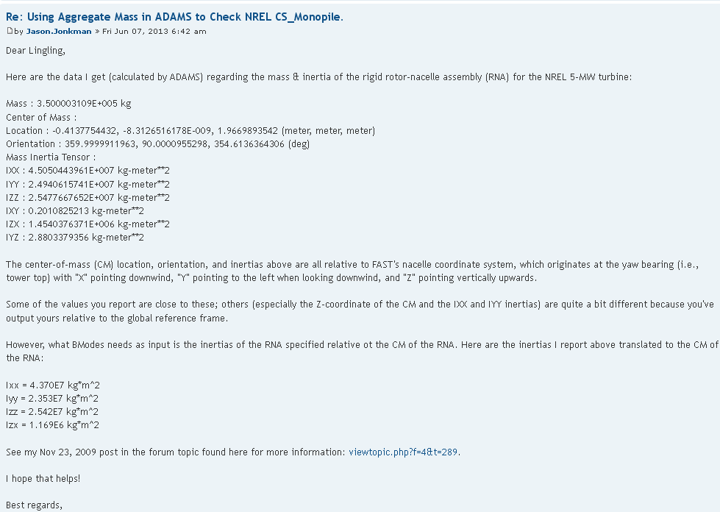
Link: | https://wind.nrel.gov/forum/wind/viewtopic.php?f=3&t=842

Mass_Inertia
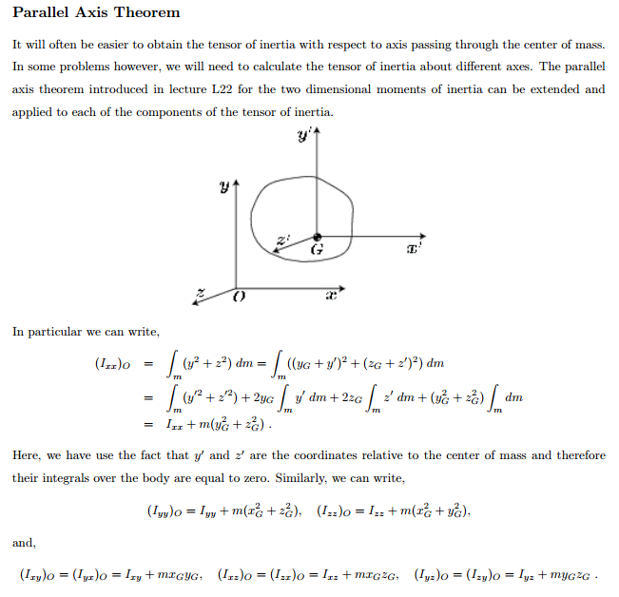

 |  |  |  |  | Cm = Centre of Mass or Centre of gavity

Step 1: Transformation of Nacelle Inertia from yaw-Axis to Nacelle Cm
 |  |  | Nacelle Inertia about Yaw Axis (kg-m2) |  |  |  |  |  |  | Distance beteen yaw-axis and nacelle Cm
 | Part | Mass | Ixx | Iyy | Izz | Ixy | Izx | Iyz | X | Y | Z
 | Nacelle I @Yaw-Axis | 240000.00 | 0.00 | 0.00 | 2607890.00 | 0.00 | 0.00 | 0.00 | -1.90 | 0.00 | 1.75
 | Nacelle @ its Cm |  | -7.3500E+05 | -1.6014E+06 | 1741490.0000 | 0.0000 | 798000.0000 | 0.0000

Step 2: Transformation of Nacelle Inertia from its CM to RNA Cm (Neglect Ixx, Iyy)
 |  |  | Nacelle Inertia about its Cm (kg-m2) |  |  |  |  |  |  | Distance beteen nacalle Cm and RNA Cm
 | Part | Mass | Ixx | Iyy | Izz | Ixy | Izx | Iyz | X | Y | Z
 | Nacelle I @ Its Cm | 240000.00 | 0.00 | 0.00 | 1741490.00 | 0.00 | 0.00 | 0.00 | 2.31 | 0.00 | 0.22
 | Nacelle @ RNA Cm |  | 1.1300E+04 | 1.2962E+06 | 3026343.1402 | 0.0000 | 120495.8489 | 0.0000

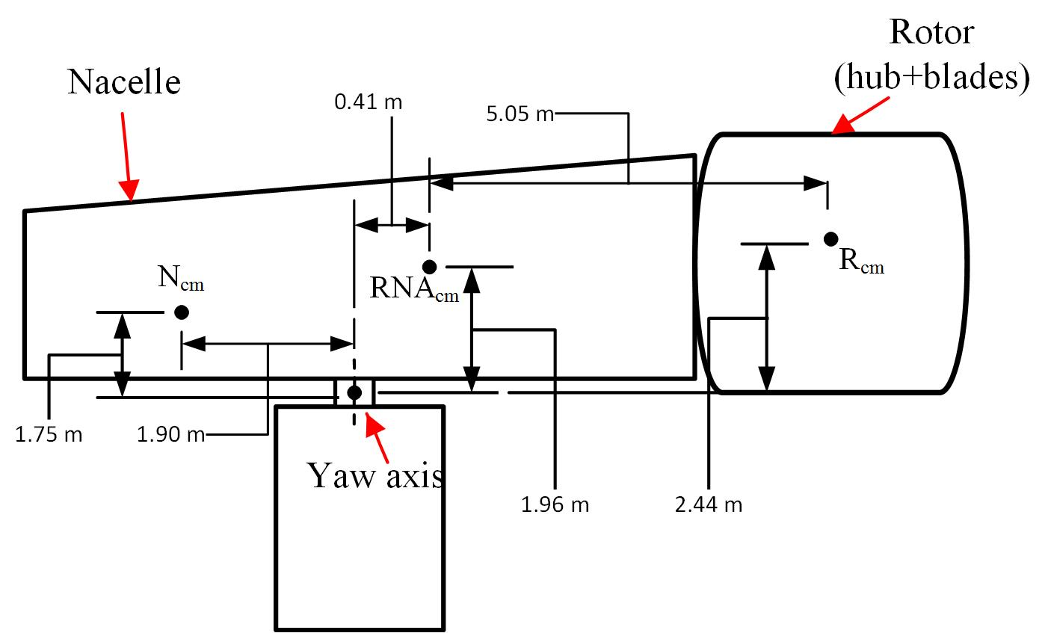
Step 3: Inertia of RNA about RNA Cm (obtain from the given link) |  |  |  |  |  |  | https://wind.nrel.gov/forum/wind/viewtopic.php?f=3&t=645
 |  |  | RNA Inertia about RNA Cm (kg-m2)
 | Part | Mass | Ixx | Iyy | Izz | Ixy | Izx | Iyz | X | Y | Z
 | RNA inertia about RNA Cm | 240000.00 | 43700000.00 | 23530000.00 | 25420000.00 |  | 1169000.00 |  | 2.31 | 0.00 | 0.22

Step 4: Subtract Nacelle Inertia @RNA Cm from Total RNA Inertia @to RNA Cm to calculate Rotor Inertia about RNA Cm
 |  |  |  |  |  |  |  |  |  | Distance beteen yaw-axis and RNA Cm
 | Part | Mass | Ixx | Iyy | Izz | Ixy | Izx | Iyz | X | Y | Z
 | RNA inertia @ Its Cm | 3.5000E+05 | 240000.00 | 43700000.00 | 23530000.00 | 25420000.00 | 1169000.00 | 0
 | Nacelle Inertia @ RNA Cm | 240000.00 | 11300.32 | 1296153.46 | 3026343.14 | 0.00 | 120495.85 | 0.00
 | Rotor Properties | 1.1000E+05 | 2.2870E+05 | 4.2404E+07 | 2.0504E+07 | 2.5420E+07 | 1.0485E+06 | 0.0000E+00

Step 5: Transformation of Rotor Inertia from RNA Cm to Rotor Cm
 |  |  |  |  |  |  |  |  |  | Distance beteen yaw-axis and RNA Cm
 | Part | Mass | Ixx | Iyy | Izz | Ixy | Izx | Iyz | X | Y | Z
 | Rotor Inertia @ RNA Cm | 110000.00 | 228699.68 | 42403846.54 | 20503656.86 | 25420000.00 | 1048504.15 | 0.00 | 5.05 | 0.00 | 0.47
 | Rotor Inertia @ its Cm |  | 2.0440E+05 | 3.9574E+07 | 17698381.8599 | 25420000.0000 | 787419.1511 | 0.0000 |  |  |  | Final

 |  | 110000 | 43690000 | 22230000 | 22390000 | 0 | 1048504.15 | 0 | -4.586225 | 0 | 0.433
 |  |  | 4.3669E+07 | 1.9896E+07 | 20076319.4274 | 0.0000 | 830062.2533 | 0.0000

