RNA_Data_Inertia_Forum
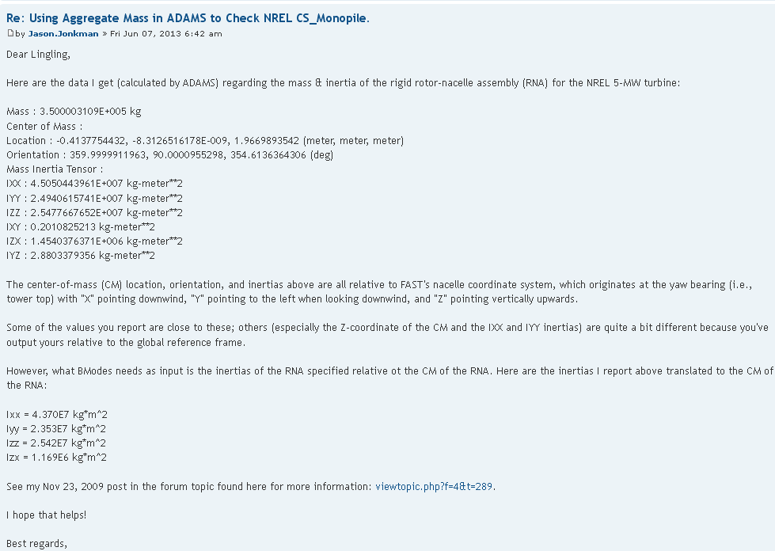
Link: | https://wind.nrel.gov/forum/wind/viewtopic.php?f=3&t=842

Full_Mass_Inertia_Forum
Link: | https://wind.nrel.gov/forum/wind/viewtopic.php?f=3&t=748

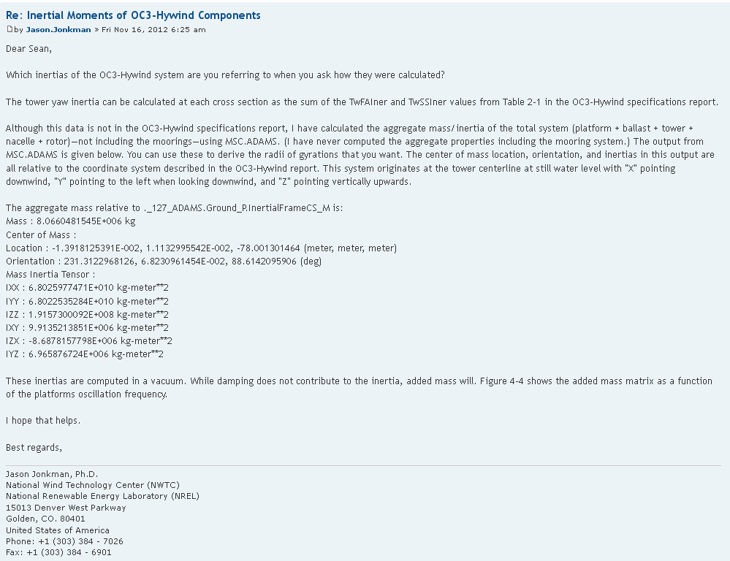

 |  | Coor. Sys | Mass | Ixx | Iyy | Izz | Xcg | Ycg | Zcg
 |  |  | kg | kg-m2 | kg-m2 | kg-m2 | m | m | m
 |  | Hywind Ref. Point | 8.0660E+06 | 6.8026E+10 | 6.8022E+10 | 1.9157E+08 | -1.3918E-02 | 1.1132E-02 | -7.8001E+01
 |  | Hywind CG point | 8.0660E+06 | 1.1710E+11 | 1.1710E+11 | 1.9157E+08 | 0 | 0 | 0

Inertia Transformation
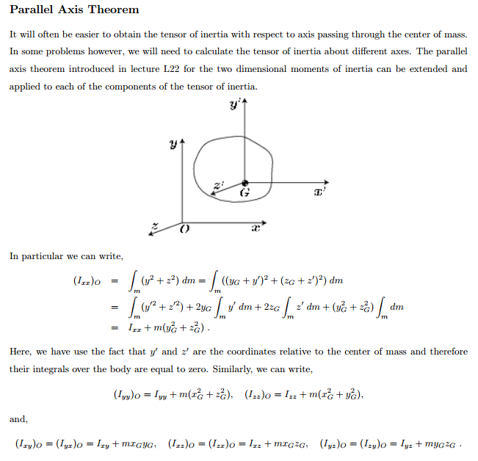
Link: | http://ocw.mit.edu/courses/aeronautics-and-astronautics/16-07-dynamics-fall-2009/lecture-notes/MIT16_07F09_Lec26.pdf

